CCA
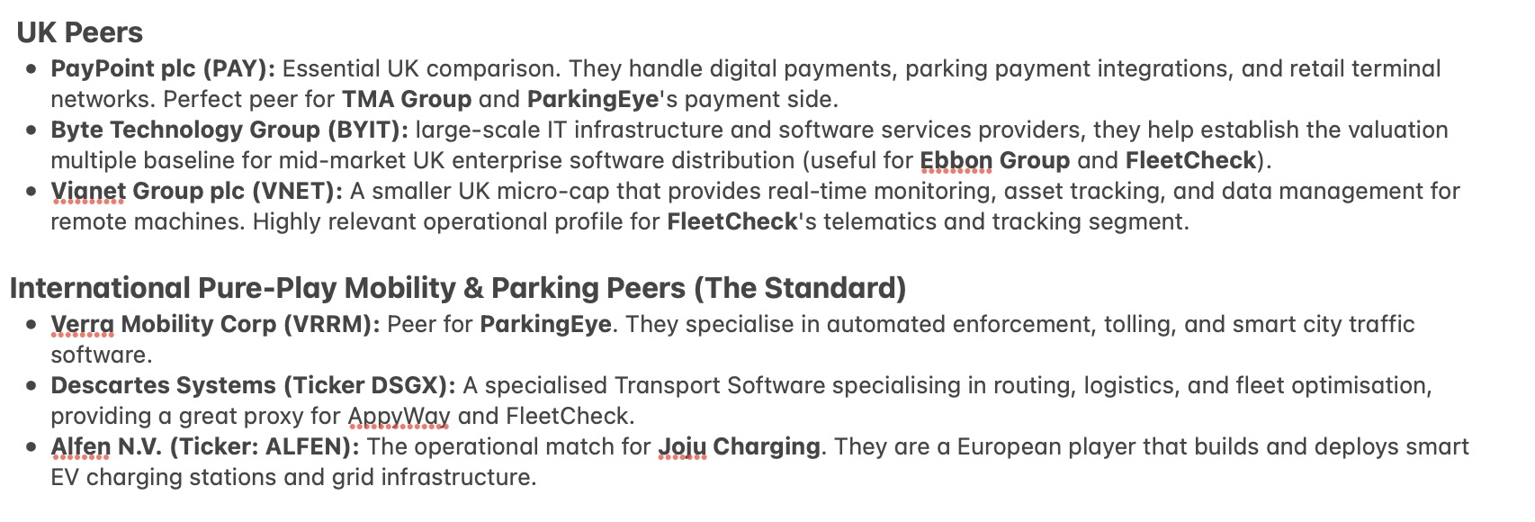
Segment | Company Name + Ticker | Exchnange | Revenue (£m) | Revenue Growth (Y-o-Y %) | Market Cap (£m) | Net Debt (£m) | EBITDA (£m) | Enterprise Value (£m) | EV / Revenue | EV / EBITDA | 0.75 | $1 = £0.75
Mobility Payments & Enforcement | PayPoint (PAY) | LSE | 337.00 | 8.50% | 351.30 | 27.00 | 84.80 | 378.30 | 1.12 | 4.46 | 0.87 | €1 = £0.87
 | Byte Technology Group (BYIT) | LSE | 220.60 | 0.70% | 821.10 | -96.60 | 73.30 | 724.50 | 3.28 | 9.88
 | Segment Average | - | - | - | - | - | - | - | 2.20 | 7.17
B2B Fleet & Automotive SaaS | Vianet Group (VNET) | LSE | 15.00 | -0.10% | 19.20 | -0.40 | 3.90 | 18.80 | 1.25 | 4.82
 | Verra Mobility (VRRM) | NASDAQ | 768.75 | 0.10% | 542.25 | 1017.00 | 272.10 | 1559.25 | 2.03 | 5.73
 | Descartes Systems (DSGX) | NASDAQ | 565.43 | 12.80% | 4590.00 | -370.00 | 239.77 | 4220.00 | 7.46 | 17.60
 | Segment Average | - | - | - | - | - | - | - | 4.75 | 11.67
EV infrastracture | Alfen Beheer (ALFEN) | AMS | 378.97 | -7.40% | 290.15 | 20.70 | 23.06 | 310.84 | 0.82 | 13.48
 | Segment Average | - | - | - | - | - | - | - | 0.82 | 13.48

Notes to self - reason why each comparable is relevant

